Excel不同效果的散点图
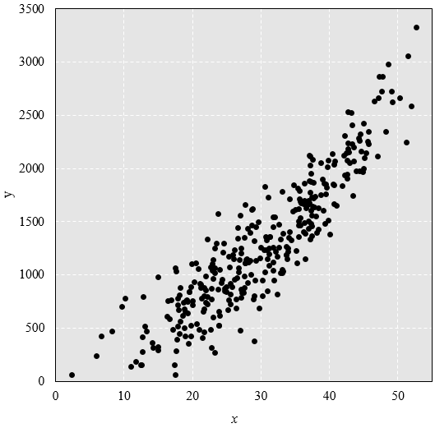
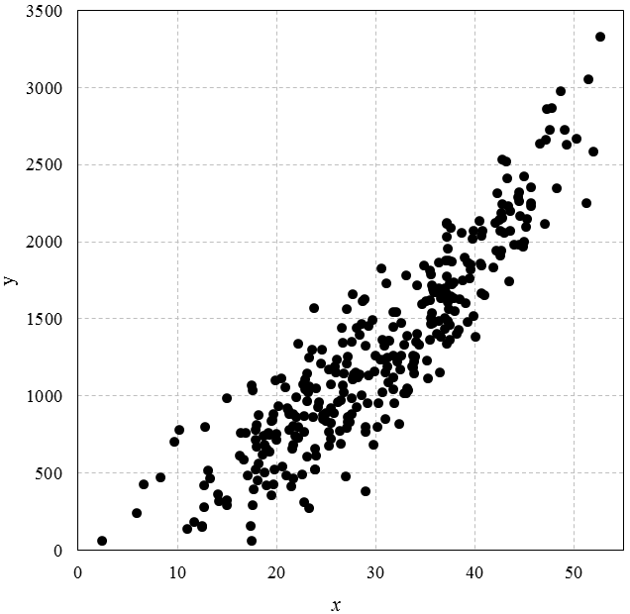
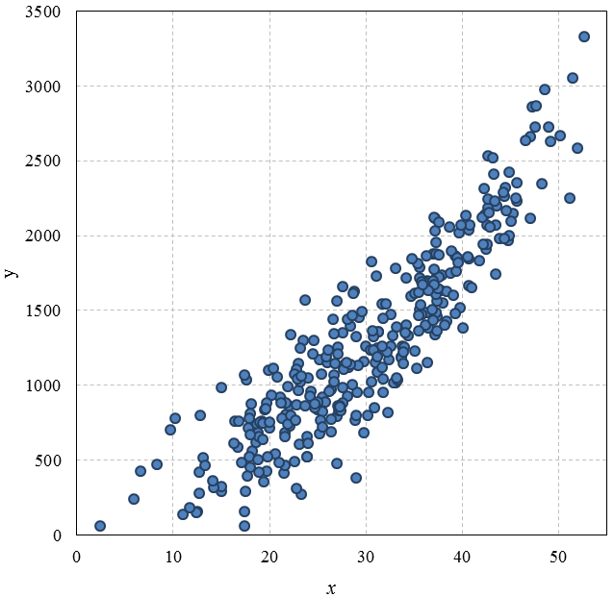
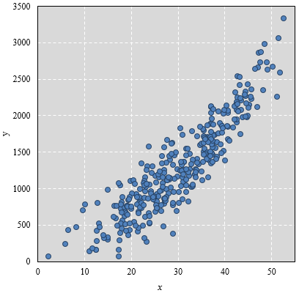
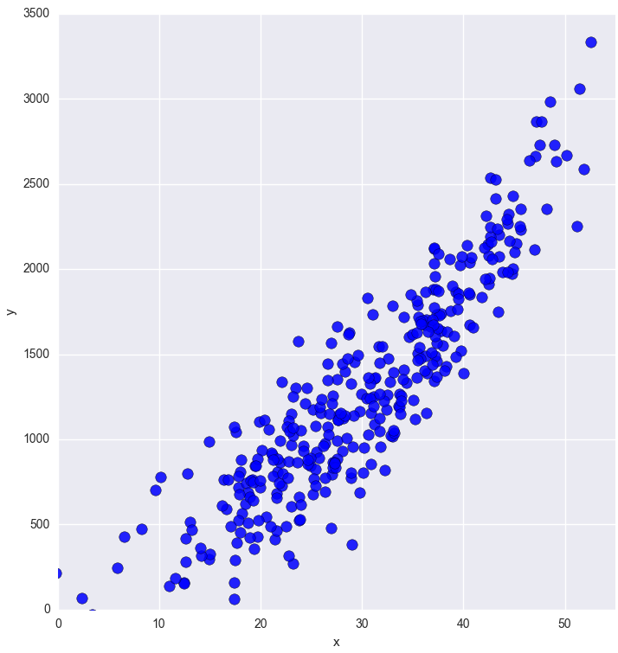
x | y
35.108000967 | 1227.3485487
26.961500405 | 478.61078134
45.275405691 | 2146.1549257
35.562084807 | 1789.1785872
37.232347561 | 1953.4312705
40.641003271 | 1847.4907722
24.959338752 | 841.04572754
45.083828128 | 2099.8319904
43.241447343 | 2412.8626843
12.498124025 | 158.14291012
34.146225399 | 1406.5656565
28.993075137 | 381.52537898
11.012682929 | 136.83076188
44.578519409 | 2165.0816036
37.799341772 | 1635.1458434
37.132823786 | 2029.8753789
35.53658032 | 1504.6185253
44.795815423 | 1969.9549255
42.517262095 | 1908.789519
17.838333114 | 717.1706333
32.59183346 | 1471.6737379
21.674147442 | 805.61765095
18.185213169 | 561.50722079
29.264373763 | 1454.1653303
44.921598327 | 2425.0615964
41.807372883 | 1835.1392531
18.025294227 | 450.79447849
Excel
18.016332463 | 809.29333312
Python+matplotlib
38.410662605 | 1631.2840821
24.26657694 | 960.43728973
37.394816732 | 1729.4303275
 | y
35.108000967 | 1227.3485487
26.961500405 | 478.61078134
45.275405691 | 2146.1549257
35.562084807 | 1789.1785872
37.232347561 | 1953.4312705
40.641003271 | 1847.4907722
24.959338752 | 841.04572754
45.083828128 | 2099.8319904
43.241447343 | 2412.8626843
12.498124025 | 158.14291012
34.146225399 | 1406.5656565
28.993075137 | 381.52537898
11.012682929 | 136.83076188
44.578519409 | 2165.0816036
37.799341772 | 1635.1458434
37.132823786 | 2029.8753789
35.53658032 | 1504.6185253
44.795815423 | 1969.9549255
42.517262095 | 1908.789519
17.838333114 | 717.1706333
32.59183346 | 1471.6737379
21.674147442 | 805.61765095
18.185213169 | 561.50722079
29.264373763 | 1454.1653303
44.921598327 | 2425.0615964
41.807372883 | 1835.1392531
18.025294227 | 450.79447849
18.016332463 | 809.29333312
38.410662605 | 1631.2840821
24.26657694 | 960.43728973
37.394816732 | 1729.4303275
34.395990629 | 1331.5950385
33.049724196 | 1017.4485657
25.480273482 | 822.17661436
17.427807766 | 62.123605384
35.399342364 | 1812.1289885
34.077214698 | 1349.2738504
18.142607511 | 877.5374566
26.687311236 | 1069.2875974
40.647071161 | 1669.1917976
36.499139185 | 1386.9696912
31.213813375 | 1088.6602101
39.254492072 | 1864.9254131
28.928306871 | 769.51707149
25.506742777 | 921.86207414
31.704847069 | 1543.5323274
25.426343139 | 1076.1481713
27.654377118 | 1112.6979454
38.668957063 | 2057.0677413
16.669711341 | 587.42289727
...
34.395990629 | 1331.5950385
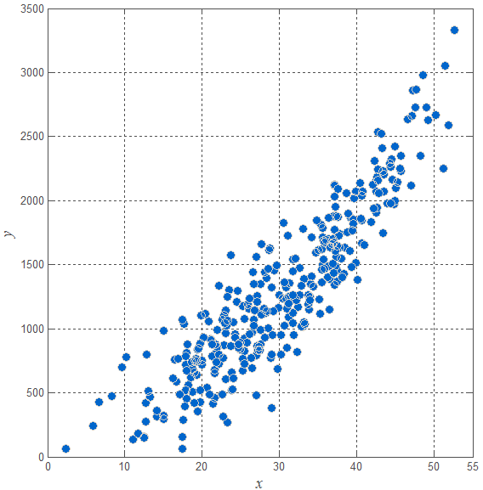
33.049724196 | 1017.4485657
25.480273482 | 822.17661436
17.427807766 | 62.123605384
35.399342364 | 1812.1289885
34.077214698 | 1349.2738504
18.142607511 | 877.5374566
26.687311236 | 1069.2875974
40.647071161 | 1669.1917976
36.499139185 | 1386.9696912
31.213813375 | 1088.6602101
39.254492072 | 1864.9254131
28.928306871 | 769.51707149
25.506742777 | 921.86207414
31.704847069 | 1543.5323274
25.426343139 | 1076.1481713
27.654377118 | 1112.6979454
38.668957063 | 2057.0677413
16.669711341 | 587.42289727
42.693711461 | 2533.2451821
23.033283748 | 963.67832921
19.458555874 | 840.1161319
32.416117789 | 1172.6746167
37.838474967 | 1738.2480156
33.174605303 | 1390.1651056
45.652608495 | 2229.7641767
Matlab
Excel
37.024713742 | 1880.8631938
26.424229348 | 974.12550497
22.585409049 | 487.95330921
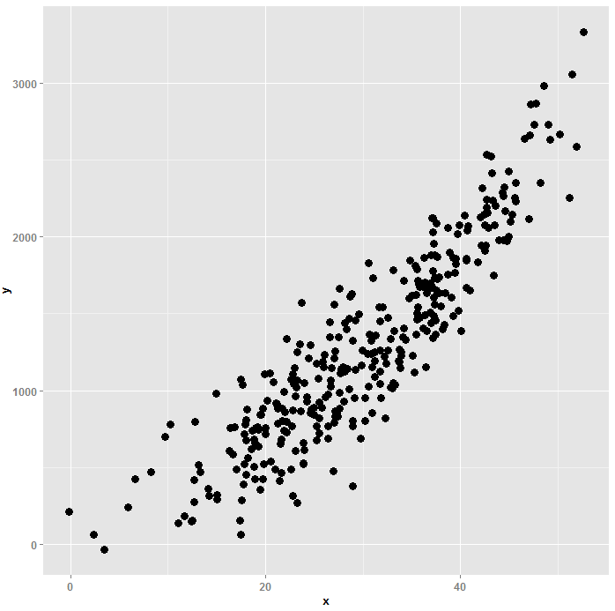
 | y
35.108000967 | 1227.3485487
26.961500405 | 478.61078134
45.275405691 | 2146.1549257
35.562084807 | 1789.1785872
37.232347561 | 1953.4312705
40.641003271 | 1847.4907722
24.959338752 | 841.04572754
45.083828128 | 2099.8319904
43.241447343 | 2412.8626843
12.498124025 | 158.14291012
34.146225399 | 1406.5656565
28.993075137 | 381.52537898
11.012682929 | 136.83076188
44.578519409 | 2165.0816036
37.799341772 | 1635.1458434
37.132823786 | 2029.8753789
35.53658032 | 1504.6185253
44.795815423 | 1969.9549255
42.517262095 | 1908.789519
17.838333114 | 717.1706333
32.59183346 | 1471.6737379
21.674147442 | 805.61765095
18.185213169 | 561.50722079
29.264373763 | 1454.1653303
44.921598327 | 2425.0615964
41.807372883 | 1835.1392531
18.025294227 | 450.79447849
18.016332463 | 809.29333312
38.410662605 | 1631.2840821
24.26657694 | 960.43728973
37.394816732 | 1729.4303275
34.395990629 | 1331.5950385
33.049724196 | 1017.4485657
25.480273482 | 822.17661436
17.427807766 | 62.123605384
35.399342364 | 1812.1289885
34.077214698 | 1349.2738504
18.142607511 | 877.5374566
26.687311236 | 1069.2875974
40.647071161 | 1669.1917976
36.499139185 | 1386.9696912
31.213813375 | 1088.6602101
39.254492072 | 1864.9254131
28.928306871 | 769.51707149
25.506742777 | 921.86207414
31.704847069 | 1543.5323274
25.426343139 | 1076.1481713
27.654377118 | 1112.6979454
38.668957063 | 2057.0677413
16.669711341 | 587.42289727
...
33.673205481 | 1191.8154171
37.409591825 | 1458.0792172
23.860914185 | 657.22075925
3.4314695543 | -33.027997901
48.997948762 | 2728.5320749
23.023755625 | 1146.5209651
27.557267654 | 988.53376164
26.604234103 | 1444.3200549
17.710222563 | 392.25088027
28.815232771 | 1625.164379
52.637592035 | 3329.6682846
37.243352753 | 1486.650985
43.523535711 | 2072.6325604
37.315169048 | 1879.6653813
32.043060943 | 1544.847487
17.858785454 | 521.43288072
21.976157545 | 860.81760637
28.69966708 | 1612.3692245
27.792189038 | 1141.2659401
21.164763657 | 909.26375131
30.571415554 | 1827.8942623
18.650692115 | 741.08477616
37.172778225 | 2118.5344358
36.16467916 | 1672.0338109
37.97037164 | 1550.4888771
21.07739153 | 919.51329985
28.090049378 | 929.83750194
R+ggplot2
30.920350095 | 852.51884353
Excel
19.206087772 | 762.73842645
30.176014072 | 800.89203856
21.628905343 | 682.03860695
31.194143045 | 1249.4020245
22.82071277 | 1105.0388353
12.679525071 | 418.31477513
34.804437351 | 1847.181349
51.451271322 | 3055.2225143
28.36139403 | 1396.1381478
36.191350838 | 1403.4009007
26.176730048 | 960.19021172
18.804202086 | 683.57730807
43.547315722 | 2201.2753929
29.767475483 | 685.68435638
14.967909462 | 982.76962645
31.279430568 | 1357.9215371
27.594053233 | 881.4086043
18.566133466 | 617.41660221
39.079784055 | 1604.6692569
19.990531765 | 716.14628539
37.103713731 | 2123.4875134
17.397805833 | 157.49578065
29.94007464 | 1262.2652569
25.229560584 | 1174.0796781
28.097683006 | 1440.2248044
44.920159087 | 1998.2856878
29.133501559 | 953.05487199
40.661171874 | 2038.7039199
25.218531658 | 675.1003076
42.670615714 | 2186.8681139
42.689070852 | 2243.3246822
30.464919907 | 1239.226376
28.562370083 | 1006.8197887
21.444827327 | 412.79337539
25.980793231 | 1154.3487781
32.801375252 | 1334.4733512
45.604707853 | 2251.9447172
27.136825548 | 863.2970267
18.923992637 | 657.36990761
45.675329664 | 2351.4155968
2.3743304094 | 63.436817803
38.910589154 | 1898.2270874
40.785684426 | 2069.1920341
42.613256401 | 1945.8087612
13.089914679 | 514.65555611
22.140031712 | 725.929169
22.627615598 | 1072.9693336
21.679659184 | 881.28140318
21.628402551 | 463.14805076
19.90264505 | 1103.7660916
20.577028037 | 540.49762673
19.426464758 | 356.8289063
26.729239748 | 1024.2423257
37.366109869 | 1561.7662157
27.544909422 | 1349.2753813
24.441530635 | 1209.2959163
27.036949528 | 790.69655609
24.655455665 | 853.6468529
21.567731046 | 655.60313071
34.68974355 | 1597.4441375
29.616823552 | 1494.7022481
30.951220543 | 1154.3275308
31.31718559 | 1358.330408
35.043984272 | 1614.7981222
25.810727211 | 888.2608882
38.374169146 | 1427.7977224
43.167583377 | 2523.2981201
25.274278478 | 765.93707696
32.560488155 | 1260.776743
14.985767408 | 293.40637859
44.400805837 | 2262.7095545
23.188586555 | 1022.4691573
35.441436964 | 1362.6170553
17.614195031 | 1038.262436
23.257089876 | 270.32113746
16.423183921 | 759.8042699
31.730095892 | 1121.5139268
39.824352068 | 1516.8276006
26.420444581 | 689.81121272
19.315268481 | 638.24274639
33.742994023 | 1264.3257618
23.527430376 | 1300.6500779
37.603452923 | 1870.5591906
24.955041784 | 889.97036839
44.455728137 | 2321.3469875
19.036135226 | 755.31305298
12.436251282 | 152.38389218
23.863721274 | 522.16215829
35.475706698 | 1623.5801601
29.825282867 | 1161.8657306
19.703851877 | 427.29631026
36.304225286 | 1864.4348081
13.274793549 | 468.15838825
14.999991697 | 323.8131187
21.261204969 | 783.15196836
32.171032011 | 1221.5321219
35.676386384 | 1540.1216044
30.615139802 | 1026.6732304
35.601392471 | 1716.5037107
34.166712555 | 1716.0579752
39.709613744 | 2019.5563328
33.720677628 | 1187.3841995
19.290028304 | 748.21019598
37.155059165 | 1339.1990397
24.213369543 | 928.6792914
44.283707412 | 2288.0619077
17.538937516 | 289.1053835
20.441066941 | 1114.234472
33.933013508 | 1252.6700155
47.25113447 | 2862.3913857
36.3367466 | 1699.7679793
43.91857144 | 1978.7491597
22.816033224 | 870.43937295
18.801270112 | 505.18493542
36.328706366 | 1488.4946922
33.844013014 | 1149.2500758
6.617440904 | 425.79388429
43.344438829 | 2232.6306819
11.661217957 | 181.92568116
39.852571075 | 2074.1163776
30.831526858 | 1237.3390647
32.847560728 | 1020.7291572
20.822395485 | 1057.3627404
8.2796353514 | 473.29256841
9.6763785416 | 702.07944217
38.737604899 | 1753.0775664
12.65606028 | 277.93019017
23.05624116 | 606.03771478
39.505274244 | 1854.8247548
20.017698203 | 754.34975801
27.117365843 | 1253.2008006
48.24311939 | 2348.7997685
24.570799836 | 1297.7374411
42.528679208 | 2074.7277759
25.884613732 | 1188.779273
14.183063646 | 316.47527382
28.171029589 | 1122.136097
30.825531261 | 1325.0190301
42.403367574 | 2144.1699638
37.412856124 | 1366.5846443
-0.15398248745 | 213.51457812
37.256276257 | 1605.8940667
23.238138386 | 1250.3837285
20.179193314 | 932.06704225
36.049007971 | 1695.3142781
14.122038765 | 362.33104605
27.301536429 | 861.45216749
30.237663781 | 950.83575406
37.625005595 | 1724.9850838
35.748814394 | 1689.8399116
23.984445014 | 1049.9428443
42.159513814 | 1941.6501378
26.639351223 | 1346.6071077
47.051092086 | 2115.0059146
35.234170054 | 1115.2728557
17.054812055 | 487.36923738
32.310012409 | 818.52224867
40.570733003 | 1857.25144
28.945212059 | 801.59430692
27.01099466 | 1561.6148378
27.688969466 | 1110.2816728
16.843243756 | 763.56005834
21.866849005 | 740.21749589
49.205857214 | 2628.9507736
47.112027523 | 2661.6468787
20.972059781 | 485.05480262
51.215375286 | 2250.6279602
17.972105969 | 674.21131751
36.824880044 | 1662.3860794
19.710043869 | 884.77163633
33.06177147 | 1782.6844669
19.780255123 | 523.28696062
29.222683902 | 1134.8405514
28.945819826 | 1324.1386874
27.17125212 | 831.80577288
44.411512438 | 1980.0297376
47.575331593 | 2726.6608803
23.732732744 | 1572.7067583
22.767991287 | 314.27768679
27.093887279 | 1207.5599954
23.877783253 | 525.42927556
18.937226273 | 421.90842827
43.446253192 | 1746.1197539
47.7083936 | 2865.8179381
36.914774764 | 1505.9933677
26.38323926 | 771.06830862
31.752012432 | 1448.7805
48.595356189 | 2978.6961044
22.910634881 | 1043.7445843
37.546026531 | 2089.1362643
23.99867116 | 614.40025369
33.88286766 | 1224.1898403
22.15807117 | 1337.2322962
26.071093802 | 1233.8903712
35.777473286 | 1471.1541046
38.128734903 | 1400.7043734
27.397713792 | 832.28529164
33.249830365 | 1035.0117676
37.493177589 | 1648.5954712
35.502750439 | 1464.4662086
28.363293447 | 1138.3953131
24.665381794 | 875.78326606
30.642484953 | 1362.2097503
31.730343406 | 1262.004363
39.425989019 | 1764.3256116
40.981485342 | 1653.6179068
27.62416903 | 1662.125966
39.547100264 | 1821.908384
37.128779422 | 1774.7576709
28.596120861 | 1470.2067708
36.962017002 | 1437.7545633
25.478931737 | 724.97152647
23.25702061 | 1065.0424225
26.788237572 | 1146.0526557
10.202464174 | 777.26478148
36.947594404 | 1699.1711243
31.766673314 | 1044.9309394
21.918468986 | 991.3144069
33.13866095 | 1049.3356335
51.917330998 | 2586.9248941
31.172371003 | 1194.1478597
27.948325298 | 1154.8207589
42.245770466 | 2313.1126699
46.536527098 | 2634.5059627
39.278440407 | 1482.9141749
12.773558659 | 798.37407391
42.070363304 | 2125.0643635
31.827856018 | 953.7071675
37.040037685 | 1672.8970827
40.078276738 | 1385.2374971
50.214302827 | 2667.88907
21.235752446 | 880.57926005
42.886559104 | 2056.0618534
23.660398757 | 864.057631
16.253397566 | 610.06462645
17.882322841 | 782.2375735
22.170463138 | 799.10769537
22.735531859 | 770.43524252
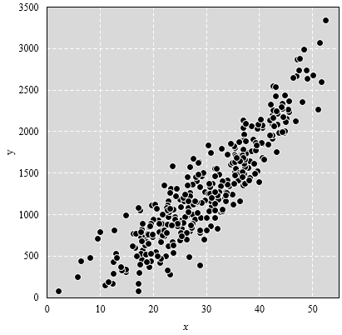
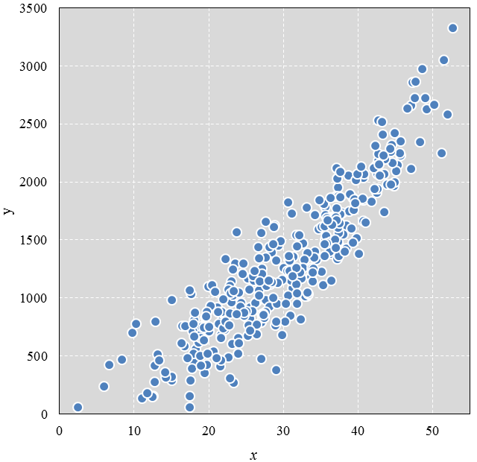
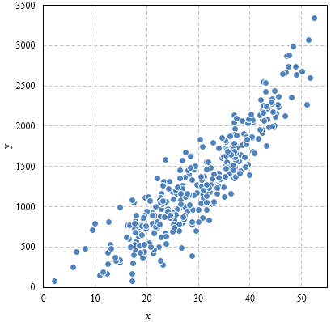
31.058383191 | 1729.217115
17.431942474 | 1069.4703082
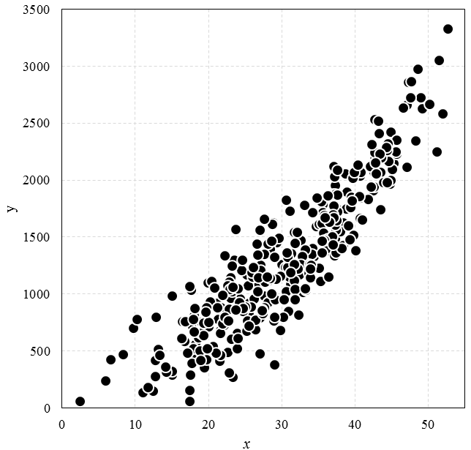
5.918688664 | 242.33988741
19.553677524 | 845.04685858
40.403302884 | 2135.7393932
36.522787332 | 1632.0861393
27.293735493 | 860.12629191
35.83860462 | 1674.61205
36.417850959 | 1150.7533108
42.762200682 | 2156.1940306

使用条款
使用条款

Copyright (c) 2016 by EasyCharts的图表博客
Github博客：http://easychart.github.io/blog.html
知乎专栏：https://zhuanlan.zhihu.com/EasyCharts
新浪微博：http://www.weibo.com/easycharts
本使用条款不得被修改、删除。

本文档作为《Excel数据之美：科学图表与商业图表的绘制》一书的配套范例文件而建立，仅作为该书读者个人对照书本阅读、理解、学习之用途，不得用于转让、出售、商业培训等任何营利性质的用途，也不得发布到互联网上任何网站、论坛、社区、博客等途径提供收费下载。
本文档仅作为该书案例讲解和读者学习理解之用途，已尽量设计得正确。但若读者将其用于公司内部实际工作使用，本文档并不保证适合所有的应用场景，无论读者是否进行定制化修改，本作者对由此所可能引起的任何错误、损失等不承担任何责任。

All rights are reserved. This workbook may not be reprinted or distributed in electronic, print, web, or other format without express written permission from the author.
This workbook is designed to provide information about Microsoft Excel. Every effort has been made to make them as complete and accurate as possible.
The information is provided on an “as is” basis. The author shall have neither liability nor responsibility to any person or entity with respect to any loss or damages arising from the contents or use of these workbooks.

You may make archival copies and customize this template (the "Software") for personal use or for your
company use. The customized template (with your specific personal or company information) may be
used and shared within your company, but this template or any document including or derived from
this template may NOT be sold, distributed, or placed on a public server such as the internet.

Caution: This spreadsheet is for educational and illustrative purposes only and should not be construed as
financial advice. The results may not reflect reality and may not apply to your specific situation.

